EXCEL HELP!
Below are some helpful tips for getting going with EXCEL - some notes are also repeated in the document.
 | PROBLEM | SOLUTION

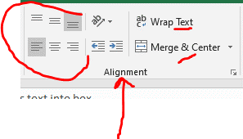
1 | My text disappears | use lines on the grey edge of template (between numbers and letters) to drag the size of cells to enlarge or shrink
 |  | use alignment tools (as indicated) to position text correctly
 |  | Wrap text' pulls text into box

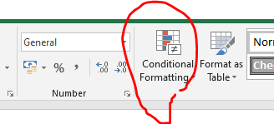
2 | To programme cell colours | use conditional formatting.

 |  | Select conditional formatting/ highlight cell rules/ text that contains / enter word e.g. 'red' / select colour for text/ cell as per drop down menus

3 | I can't read the document all on one page | go to bottom left - use + and - to increase/ decrease size on screen

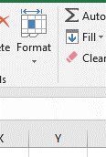
4 | I can't get even sized cells | use format tool to adjust row height or column width - either choose size of rows/columns or auto fit.

5 | How do I merge cells together ? | use ''merge & centre' - alignment tools - see notes for question 1

6 | How do I filter by date? | First make sure dates are entered in the same format e.g. 1/2/23
 |  | If no filter arrow available right click on top cell e.g. 'date/ lead person' and then choose FILTER choose appropriate filter e.g. by cell value

7 | How do I sort by date ? | Right click on cell - choose SORT for date - choose CUSTOM SORT and then select COLUMN VALUE e.g. start date and then CELL VALUE - customise the value for the contents you have e.g. dates/ month order

8 | What do the evaluation (RAG) colours mean? | Evaluation code
 |  |  | off track - unlikely to be completed
 |  |  | in danger of going off track
 |  |  | on track
 |  |  | complete | Note: when using RAG ratings it is always helpful to clarify your own agreed definition.

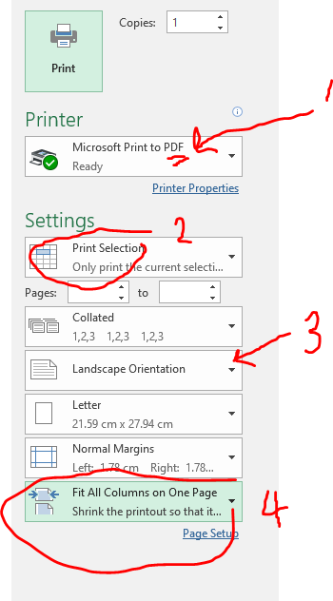
9 | I want to start a new line in the cell | Hold down ALT and press SHIFT this makes the cursor start a new line within the same cell

10 | My writing goes out of the cell | Use the 'Wrap Text function' to ensure writing stays in a particular cell - see alignment tools - question 1

11 | Some staff don't like Excel | Each EXCEL sheet can be saved as a separate PDF which some staff and governors find easier to manage. For each page go to PRINT and select ' print as PDF' . Select the appropriate scaling and orientation to show the section of the page you wish to share. When you press print it will ask you where to SAVE the PDF - from there you can either email it to others or print copies easily. Note- you cannot save the whole document as PDF in one go.

12 | add new tab | use the plus sign at the bottom of the screen

Remember office staff, especially finance staff are often very proficient in EXCEL! Google is also helpful too - try https://support.microsoft.com/en-gb/excel

School Vision


Queen Mary Avenue Infant and Nursery School
Dream Big We believe that everyone can succeed & achieve their dreams. | Shine Bright We value each child's unique talents so that they can 'shine bright'.
Respect – Hard Work – Pride – Kindness - Honesty

